Sheet1
 |  |  |  |  | Design/procurement & stewardship of products
Packaging |  |  |  |  | Product stewardship/Sustainable product |  |  | Recycle/Reuse/Repurpose |  |  |  | Waste
Reusable/recyclable or compostable packging | Plastic packaging being recycled or composted | Reycled content included in packaging | Phase out of single use plastic | Packaging Targets | Recycled/sustainable materials used in making product | Is the company spending on innovation towards product stewardship or sustainable product devlopment | Is the product recycled at the end of its life | On-site recovery/recycle for used packaging or used products | Partnership with industry bodies to recycle used product | Consumer education on how to recycle on packaging | Employee Training |  | Waste targets

 |  |  |  |  |  |  |  |  |  |  |  |  | KMD - We are committed to reducing the waste footprint created across our businesses. Through adopting a philosophy of waste elimination by design we refuse unnecessary waste, reduce the waste we produce wherever possible and focus on repurposing and recycling of resources.

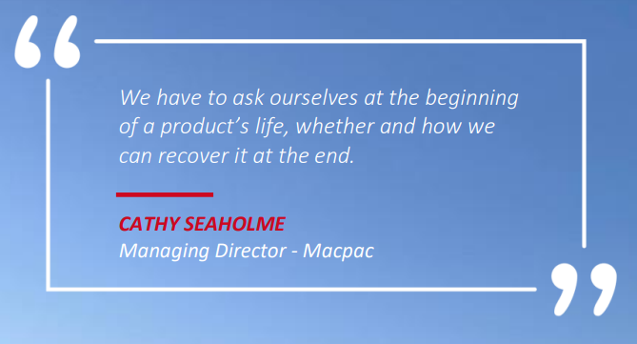

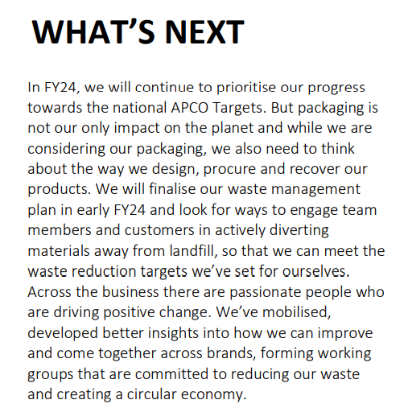

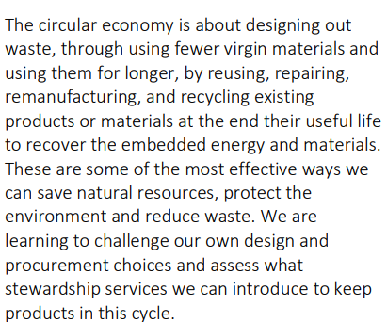

Guided by the intention of creating mindfulness rituals for our customers, in FY23, Ell&Voo increased its focus on the sourcing and use of lower impact materials and reducing packaging waste. In our Spring/Summer 2022 collection, almost 35 per cent of women's units and 65 per cent of girls' units were crafted from recycled fabrics. As we transitioned into Autumn/Winter 2023, women's units made with recycled fabrics increased to nearly 50 per cent. In FY23, we produced 262,994 pieces of clothing which used approximately 52 tonnes of recycled material. We also reduced plastic thickness and weight in each product's packaging by 25 per cent and have transitioned to 100 per cent recycled polyethylene.

